Energy_item
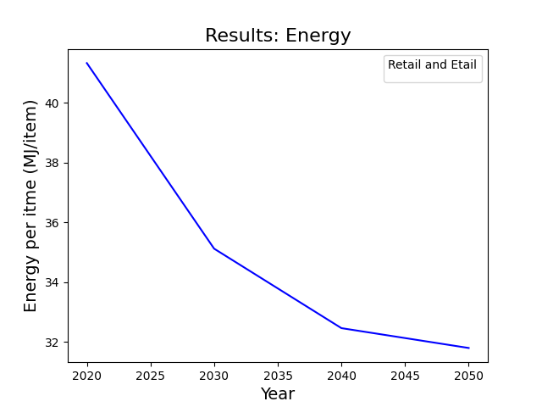
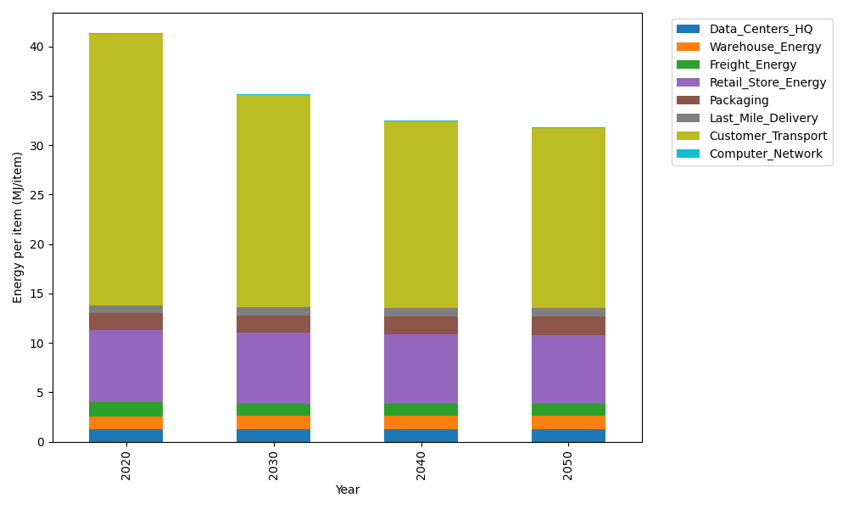
Years | Data_Centers_HQ | Warehouse_Energy | Freight_Energy | Retail_Store_Energy | Packaging | Last_Mile_Delivery | Customer_Transport | Computer_Network | Total
2020 | 1.2374454567 | 1.3412521336 | 1.4112850837 | 7.3082998956 | 1.6924080531 | 0.81250431146 | 27.477745771 | 0.042947817313 | 41.323888522
2030 | 1.2398035056 | 1.356587429 | 1.2694391775 | 7.1789947745 | 1.7482184297 | 0.80265195787 | 21.472366077 | 0.047965773574 | 35.116027125
2040 | 1.2421872542 | 1.3720898593 | 1.2182944696 | 7.0482803945 | 1.8046370673 | 0.83564097678 | 18.883856457 | 0.05303841908 | 32.458024897
2050 | 1.2445493503 | 1.3874514755 | 1.242330454 | 6.9187533404 | 1.8605432342 | 0.90572671048 | 18.176735368 | 0.058064987918 | 31.794154921

CO2_item
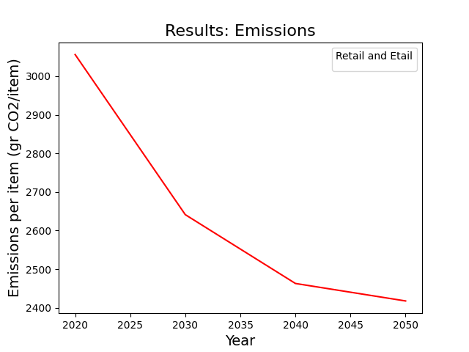
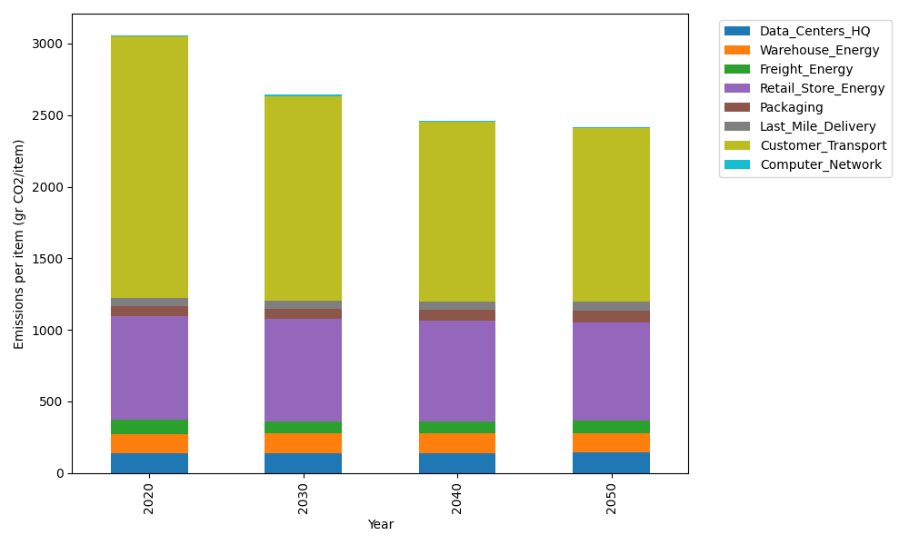
Years | Data_Centers_HQ | Warehouse_Energy | Freight_Energy | Retail_Store_Energy | Packaging | Last_Mile_Delivery | Customer_Transport | Computer_Network | Total
2020 | 140.15123629 | 133.8957558 | 96.116836349 | 728.82211648 | 65.595874581 | 55.772837421 | 1828.4864073 | 7.2443006299 | 3056.0853648
2030 | 140.46236419 | 135.4334372 | 86.291504357 | 715.9271295 | 71.157981174 | 55.096541053 | 1428.8628271 | 8.0907134625 | 2641.322498
2040 | 140.77688299 | 136.98787735 | 82.691220861 | 702.89160381 | 76.780707548 | 57.361010499 | 1256.6123559 | 8.9463511021 | 2463.04801
2050 | 141.08854489 | 138.52819795 | 84.252388667 | 689.97448449 | 82.352360672 | 62.171914486 | 1209.5575025 | 9.7942166767 | 2417.7196103

